Test Plan
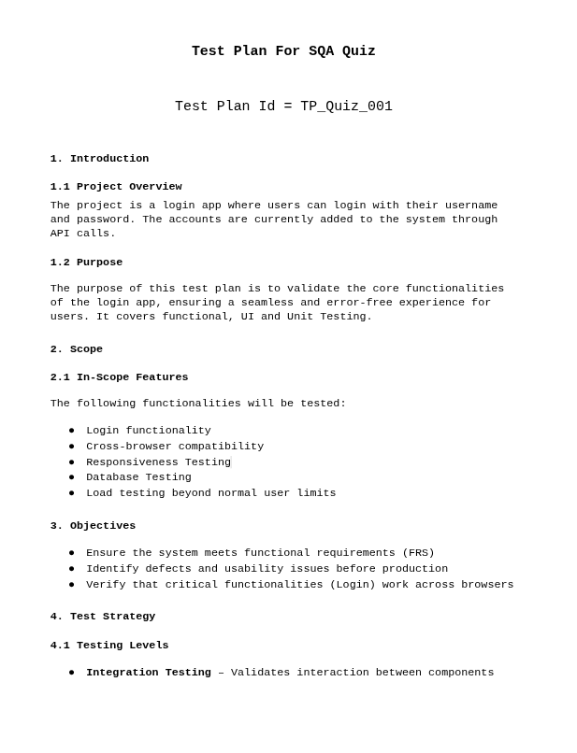
Test Plan | Test Plan

Bug Report
Bug ID | Description/Summary | Steps to Reproduce | ENV | Expected Result | Actual Result | Severity | Priority | Screenshot | Responsible QA
Bug-001 | Form alignment breaks on different screen sizes | Open the form on various screen sizes (desktop, tablet, mobile) | Browser: Google Chrome Version 136.0.7103.59 (Official Build) (64-bit) OS: 6.12.25-1-MANJARO | The user should experience consistent form alignment across screen sizes | The form is not responsive | Medium | High | 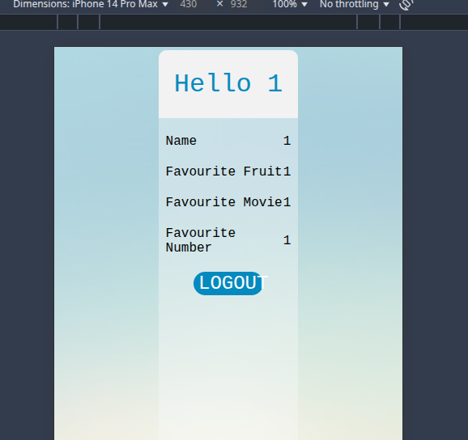 | Mohammed Wasik
Bug-002 | Login button design does not match FRS across all devices | Open the login page on different screen sizes (desktop, tablet, mobile) | Browser: Google Chrome Version 136.0.7103.59 (Official Build) (64-bit) OS: 6.12.25-1-MANJARO | The user should experience consistent button design across screen sizes | The button is too cramped. Need constant size across devices | Medium | High | 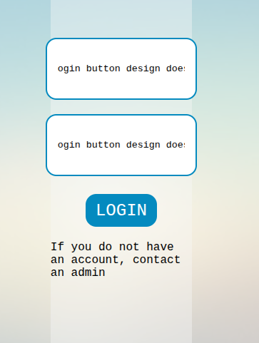 | Mohammed Wasik
Bug-003 | Input fields do not have labels. This will cause problems for accesibility or screen readers | Open the form and inspect the input fields | Browser: Google Chrome Version 136.0.7103.59 (Official Build) (64-bit) OS: 6.12.25-1-MANJARO | The user should see a proper label associated with each input field | The fields do not have any labels | High | High | 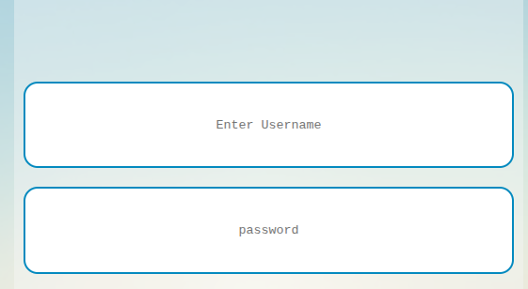 | Mohammed Wasik
Bug-004 | Password is shown in plain text instead of being hidden by default | Open the login form and inspect the password field | Browser: Google Chrome Version 136.0.7103.59 (Official Build) (64-bit) OS: 6.12.25-1-MANJARO | The user should see the password hidden by default | The password is shown in plain text | High | High | 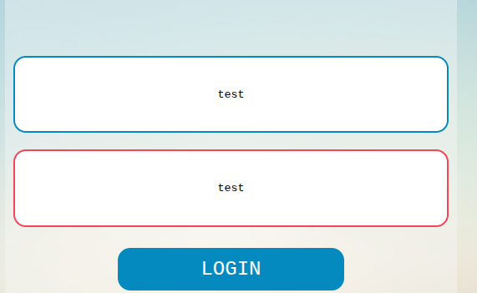 | Mohammed Wasik
Bug-005 | No eye icon is present in the password field | Open the login form and check the password field | Browser: Google Chrome Version 136.0.7103.59 (Official Build) (64-bit) OS: 6.12.25-1-MANJARO | The user should see an eye icon in the password field | There is no eye icon | Medium | Medium | 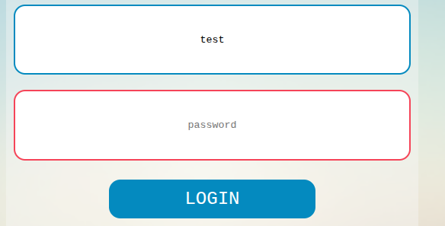 | Mohammed Wasik
Bug-006 | Pressing Enter in the password field does not trigger login | Enter a valid username and password, then press Enter in the password field | Browser: Google Chrome Version 136.0.7103.59 (Official Build) (64-bit) OS: 6.12.25-1-MANJARO | The user should be able to trigger login by pressing Enter in the password field | Login is not triggered by pressing Enter | Medium | Medium |  | Mohammed Wasik
Bug-007 | Console error occurs when either username or password field is empty but no error is shown on forms | Leave the username or password field empty and try to submit the form | Browser: Google Chrome Version 136.0.7103.59 (Official Build) (64-bit) OS: 6.12.25-1-MANJARO | The user should see an error message when either the username or password field is left empty or wrong, and no console errors should appear | A console error (Uncaught TypeError: Cannot read properties of undefined (reading 'password')) appears when trying to submit the form with empty fields | Critical | High | 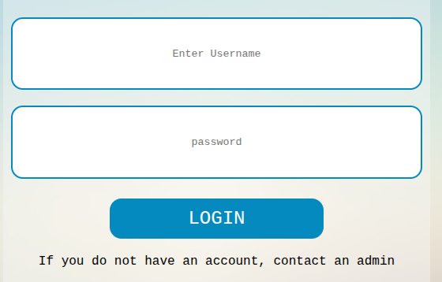 | Mohammed Wasik
Bug-008 | "Remember Me" checkbox is missing on the form | Open the login form and look for the "Remember Me" checkbox | Browser: Google Chrome Version 136.0.7103.59 (Official Build) (64-bit) OS: 6.12.25-1-MANJARO | The user should see a "Remember Me" checkbox on the form | No checkbox to remember me | Medium | Medium |  | Mohammed Wasik
Bug-009 | Form design does not match the FRS; it appears cramped and misaligned.SHould be vertically aligned and the button should be lowerd stuck at the bottom | Open the form, login and compare it with the FRS | Browser: Google Chrome Version 136.0.7103.59 (Official Build) (64-bit) OS: 6.12.25-1-MANJARO | The form design should match the FRS and be properly aligned | The form is cramped and not aligned vertically at the top | High | High | 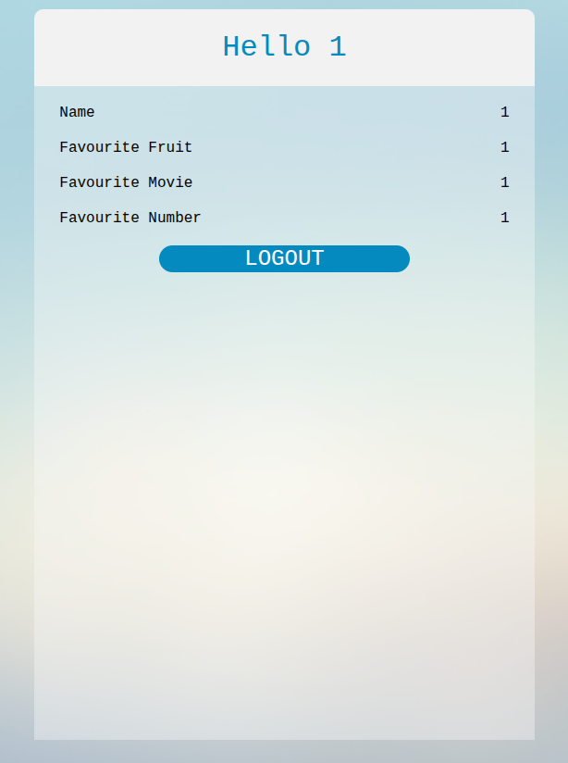 | Mohammed Wasik
Bug-010 | Long input values break the form layout | Log in using "1" as the username and "1" as the password | Browser: Google Chrome Version 136.0.7103.59 (Official Build) (64-bit) OS: 6.12.25-1-MANJARO | Log in using "1" as the username and "1" as the password | Log in using "1" as the username and "1" as the password | Medium | High |  | Mohammed Wasik
Bug-011 | Empty or invalid input values are not handled properly when "SomeUser_name" is provided as username and "1" as password | Login with "SomeUser_name" as username and "1" as password | Browser: Google Chrome Version 136.0.7103.59 (Official Build) (64-bit) OS: 6.12.25-1-MANJARO | The user should experience proper handling of empty or invalid input values, including an appropriate error message | No ALT message is shown for empty or invalid input values and instead "undefined " is shown | Medium | High | 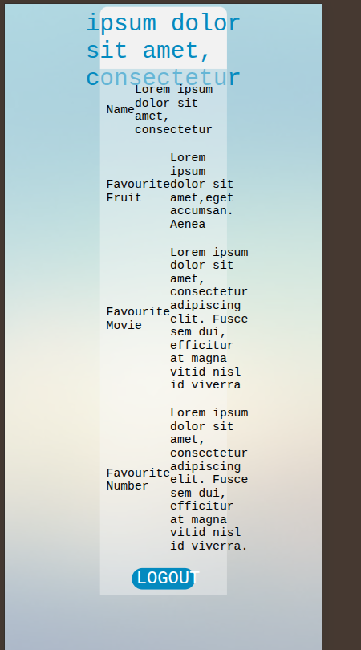 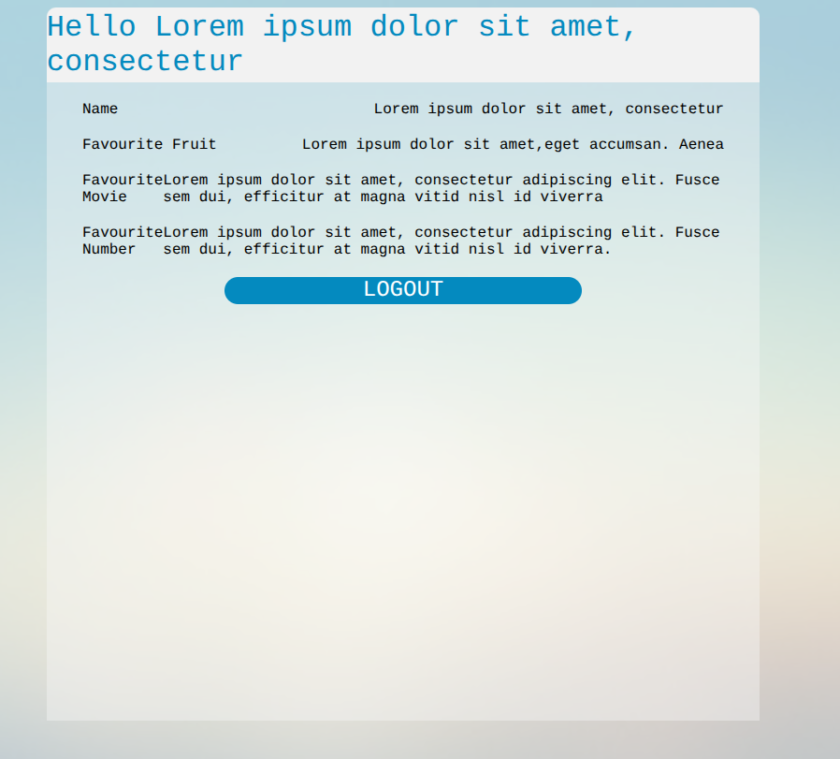 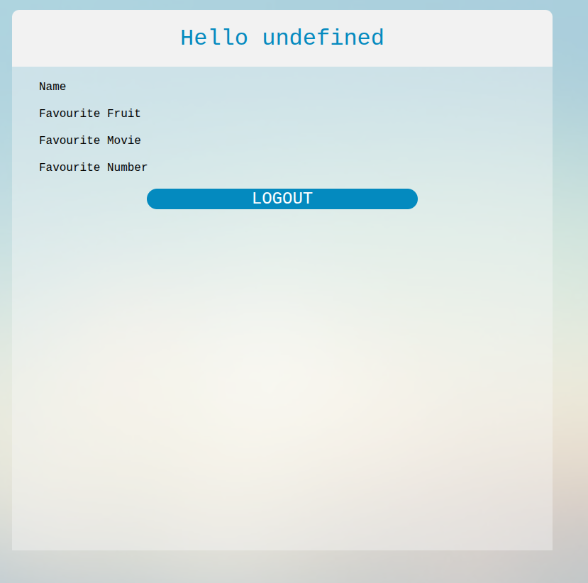 | Mohammed Wasik
Bug-012 | User gets logged out after page refresh | Log in with valid credentials Refresh the page | Browser: Google Chrome Version 136.0.7103.59 (Official Build) (64-bit) OS: 6.12.25-1-MANJARO | The user should remain logged in after a page refresh | User is logged out | High | High |  | Mohammed Wasik

Test Summary Report
Test Case Report |  |  |  |  |  | Result :
Project Name | MeldCX
Module Name | LOGIN |  |  |  |  | Total No | Status | New Features:- | Testing Scope:-
Feature Name | LOGIN
Test Case Version | v1 |  |  |  |  | 13 | PASS
Written By | Mohammed Wasik |  |  |  |  | 18 | FAIL
Executed By | Mohammed Wasik |  |  |  |  | 0 | Not Executed
Reviewed By | Mohammed Wasik |  |  |  |  | 0 | Out of Scope
TEST EXECUTION REPORT
 |  |  |  |  |  | Testing Environment : Google Chrome Browser
Test Case | PASS | FAIL | Not Executed | Out Of Scope | Total TC
 | 13 | 18 | 0 | 0 | 31
Test Case Report
Grand Total | 13 | 18 | 0 | 0 | 31

LIMITATIONS
Documents |  |  |  | Received | Useful
PRD |  |  |  | No | No
USER STORY |  |  |  | No | No

 | Testing Type in Scope | Description

Yes/ No Justification (If No): | Functional Testing | This type of testing ignores the internal parts and focuses only on the output to check if it is as per the requirement or not

Yes/ No Justification (If No): | Integration Testing | Testing of all integrated modules to verify the combined functionality after integration is termed as Integration Testing

Yes/ No Justification (If No): | Negative Testing | Testing having the mindset of “attitude to break” using incorrect data and invalid inputs

Yes/ No Justification (If No): | Usability Testing | Test application from user friendliness perspective

Yes/ No Justification (If No): | Browser Compatibility Testing | Browser Compatibility Testing is performed for web applications and it ensures that the software can run with the combination of different browser and operating system This type of testing also validates whether web application runs on all versions of all browsers or not

Yes/ No Justification (If No): | Boundary Value Testing | There is an upper and lower boundary for each range and testing is performed on these boundary values

Yes/ No Justification (If No): | Risk Based Testing Or Regression Testing | Risk-Based Testing includes testing of highly critical functionality, which has the highest impact on business and in which the probability of failure is very high Testing an application as a whole for the modification in any module or functionality is termed as Regression Testing

